2
 |  | Create a form which captures New Joinee Details and save it in a proper dataset in excel.
 |  | Note: Assign a Macro to a 'Submit' Button
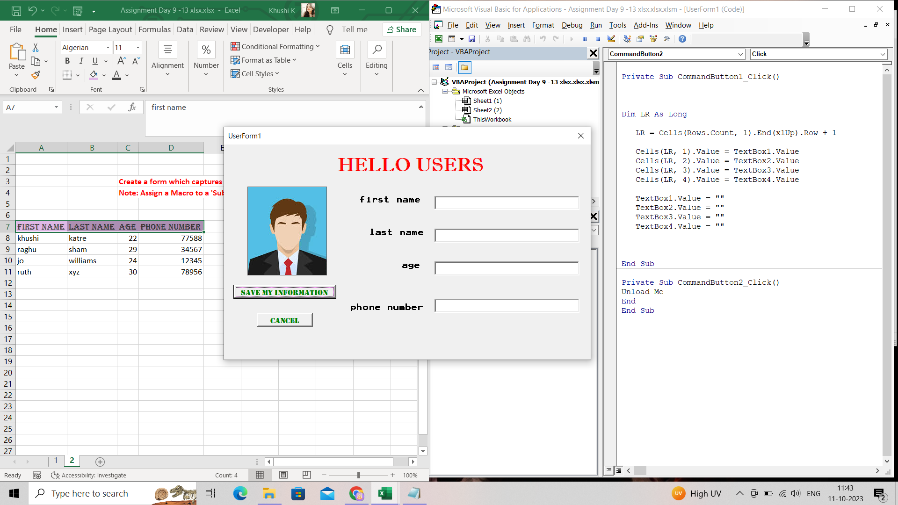

first name | last name | age | phone number
khushi | katre | 22 | 77588
raghu | sham | 29 | 34567
jo | williams | 24 | 12345
ruth | xyz | 30 | 78956

